Hiearchy View
CLASS: VOICE CONTROL MODULE
user interface that allows hands-free operation of a digital device. |  | 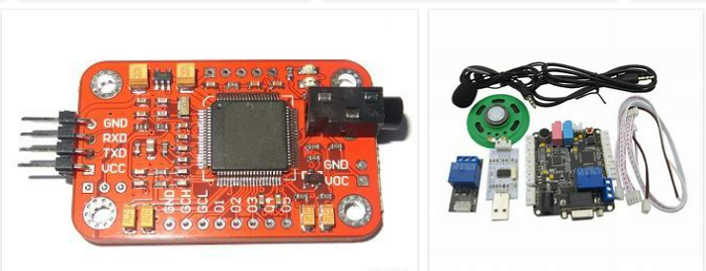
REMOVE | N

PROBLEM_DESC | CAUSE_DESC | REMEDY_DESC
ALARM/SENSOR
BROKEN/DAMAGED
OTHER PROBLEM
OVERHEATING
POWER-ELEC
STOPPED/SLOWED/POOR OPS
TEMP-CTRL
VIBRATION
Grand Total

